Anscombe (resolvido)
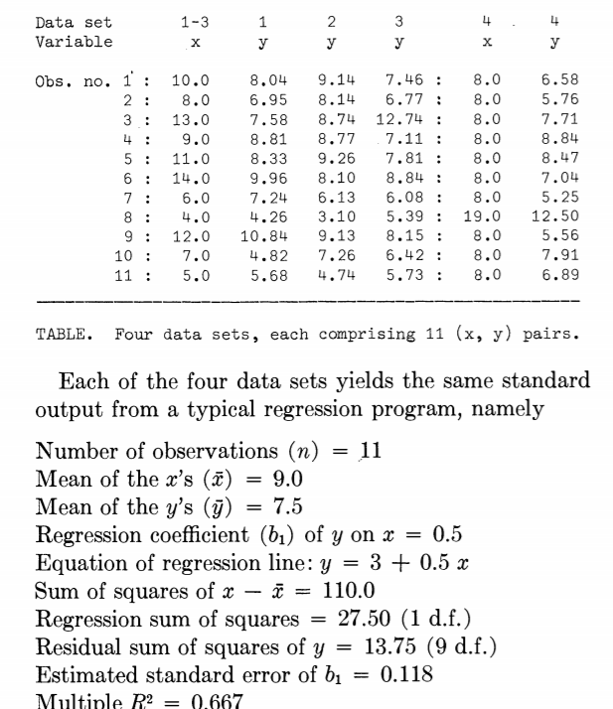
 | dataset 1 |  | dataset 2 |  | dataset 3 |  | dataset 4 |  |  | dataset 1 |  | dataset 2 |  | dataset 3 |  | dataset 4
Obs | x | y | x | y | x | y | x | y |  | Yest | ei/SYX (dataset1) | Yest | ei/SYX (dataset 2) | Yest | ei/SYX (dataset 3) | Yest | ei/SYX (dataset 4)
1 | 10 | 8.04 | 10 | 9.14 | 10 | 7.46 | 8 | 6.58 |  | 8.001 | 8.1196758874 | 8.0009090909 | 9.0033648668 | 7.9997272727 | 7.6476028237 | 7.001 | 6.1322110037
2 | 8 | 6.95 | 8 | 8.14 | 8 | 6.77 | 8 | 5.76 |  | 7.0008181818 | 6.4294153327 | 7.0009090909 | 7.3868299197 | 7.0002727273 | 6.2810744459 | 7.001 | 5.4686170928
3 | 13 | 7.58 | 13 | 8.74 | 13 | 12.74 | 8 | 7.71 |  | 9.5012727273 | 8.9609098613 | 9.5009090909 | 9.8924590877 | 9.4989090909 | 13.130996477 | 7.001 | 7.0466757833
4 | 9 | 8.81 | 9 | 8.77 | 9 | 7.11 | 8 | 8.84 |  | 7.5009090909 | 8.3379423969 | 7.5009090909 | 8.3001721648 | 7.5 | 6.9602943461 | 7.001 | 7.961140563
5 | 11 | 8.33 | 11 | 9.26 | 11 | 7.81 | 8 | 8.47 |  | 8.5010909091 | 8.7585961414 | 8.5009090909 | 9.5044907004 | 8.4994545455 | 8.3349113012 | 7.001 | 7.6617140422
6 | 14 | 9.96 | 14 | 8.1 | 14 | 8.84 | 8 | 7.04 |  | 10.001363636 | 11.28994364 | 10.000909091 | 9.7793016414 | 9.9986363636 | 10.380659579 | 7.001 | 6.5044710025
7 | 6 | 7.24 | 6 | 6.13 | 6 | 6.08 | 8 | 5.25 |  | 6.0006363636 | 5.8551149042 | 6.0009090909 | 4.9539448243 | 6.0008181818 | 4.9145460681 | 7.001 | 5.0558940507
8 | 4 | 4.26 | 4 | 3.1 | 4 | 5.39 | 19 | 12.5 |  | 5.0004545455 | 2.6364741768 | 5.0009090909 | 1.6966269059 | 5.0013636364 | 3.5480176903 | 12.5 | 15.373160843
9 | 12 | 10.84 | 12 | 9.13 | 12 | 8.15 | 8 | 5.56 |  | 9.0011818182 | 11.192756598 | 9.0009090909 | 9.8035496656 | 8.9991818182 | 9.0141312015 | 7.001 | 5.3067649195
10 | 7 | 4.82 | 7 | 7.26 | 7 | 6.42 | 8 | 7.91 |  | 6.5007272727 | 4.3025482439 | 6.5009090909 | 6.2714208062 | 6.5005454545 | 5.5937659683 | 7.001 | 7.2085279567
11 | 5 | 5.68 | 5 | 4.74 | 5 | 5.73 | 8 | 6.89 |  | 5.5005454545 | 4.1891878674 | 5.5009090909 | 3.4263192993 | 5.5010909091 | 4.2272375905 | 7.001 | 6.3830818725

 | Alfa | Beta | SYX | Sb1 | R^2 | Média X | Média Y | STQ | SQRes | SQReg
dataset 1 | 3.00 | 0.5 | 1.24 | 0.118 | 0.67 | 9 | 7.5 | 41.3 | 13.8 | 27.5
dataset 2 | 3.00 | 0.5 | 1.24 | 0.118 | 0.67 | 9 | 7.5 | 41.3 | 13.8 | 27.5
dataset 3 | 3.00 | 0.5 | 1.24 | 0.118 | 0.67 | 9 | 7.5 | 41.2 | 13.8 | 27.5
dataset 4 | 3.00 | 0.5 | 1.24 | 0.118 | 0.67 | 9 | 7.5 | 41.2 | 13.7 | 27.5

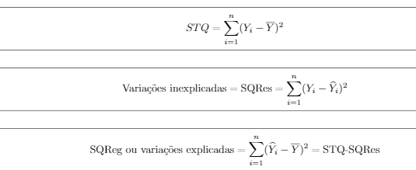
 |  | (Y-mediaY)^2 |  | (Y-mediaY)^2 |  | (Y-mediaY)^2 |  | (Y-mediaY)^2 |  | e dataset1 | e dataset2 | e dataset3 | e dataset4
 |  | 0.29061900826 |  | 2.6866190083 |  | 0.0016 |  | 0.84807355372 |  | 10.040818182 | 11.139090909 | 9.4548181818 | 7.5775454545
 |  | 0.30350082645 |  | 0.40843719008 |  | 0.5329 |  | 3.0307644628 |  | 7.9506363636 | 9.1390909091 | 7.7653636364 | 6.7575454545
 |  | 0.0062553719008 |  | 1.535346281 |  | 27.4576 |  | 0.043719008264 |  | 11.081090909 | 12.239090909 | 16.234 | 8.7075454545
 |  | 1.7137190083 |  | 1.6105917355 |  | 0.1521 |  | 1.7931644628 |  | 10.310727273 | 10.269090909 | 8.6050909091 | 9.8375454545
 |  | 0.68739173554 |  | 3.0944008264 |  | 0.0961 |  | 0.93913719008 |  | 10.830909091 | 11.759090909 | 10.304545455 | 9.4675454545
 |  | 6.0471280992 |  | 0.35890991736 |  | 1.7956 |  | 0.21243719008 |  | 13.961181818 | 12.099090909 | 12.833727273 | 8.0375454545
 |  | 0.068073553719 |  | 1.8793917355 |  | 2.0164 |  | 5.0665917355 |  | 7.2404545455 | 6.1290909091 | 6.0759090909 | 6.2475454545
 |  | 10.503491736 |  | 19.368000826 |  | 4.4521 |  | 24.990909917 |  | 3.2602727273 | 2.0990909091 | 4.3864545455 | 18.996545455
 |  | 11.149528099 |  | 2.6539371901 |  | 0.4225 |  | 3.7671280992 |  | 13.841 | 12.129090909 | 11.144272727 | 6.5575454545
 |  | 7.1872735537 |  | 0.058037190083 |  | 1.1664 |  | 0.1673553719 |  | 5.3205454545 | 7.7590909091 | 6.9156363636 | 8.9075454545
 |  | 3.3157099174 |  | 7.6226190083 |  | 3.1329 |  | 0.37320991736 |  | 5.1803636364 | 4.2390909091 | 5.2261818182 | 7.8875454545

 |  | (Y-Yest)^2 |  | (Y-Yest)^2 |  | (Y-Yest)^2 |  | (Y-Yest)^2
 |  | 0.001521 |  | 1.2975280992 |  | 0.29130552893 |  | 0.177241
 |  | 0.0025824876033 |  | 1.2975280992 |  | 0.053025528926 |  | 1.540081
 |  | 3.6912888926 |  | 0.57898264463 |  | 10.504670281 |  | 0.502681
 |  | 1.7137190083 |  | 1.6105917355 |  | 0.1521 |  | 3.381921
 |  | 0.029272099174 |  | 0.57621900826 |  | 0.47534757025 |  | 2.157961
 |  | 0.0017109504132 |  | 3.6134553719 |  | 1.3424382231 |  | 0.001521
 |  | 1.5360222231 |  | 0.01666446281 |  | 0.0062697603306 |  | 3.066001
 |  | 0.54827293388 |  | 3.6134553719 |  | 0.15103822314 |  | 3.1554436209E-30
 |  | 3.3812523058 |  | 0.01666446281 |  | 0.72110976033 |  | 2.076481
 |  | 2.8248441653 |  | 0.57621900826 |  | 0.0064875702479 |  | 0.826281
 |  | 0.032203933884 |  | 0.57898264463 |  | 0.052399371901 |  | 0.012321

